README
Excel tool v1.0 — Scenarios for pre-pandemic zoonotic influenza preparedness and response in the EU/EEA
Overview This Excel-based tool is designed to support and supplement the framework tool* ‘Scenarios for pre-pandemic zoonotic influenza preparedness and response in the EU/EEA’. It is a downloadable, structured, interactive Excel tool to use in defining and scoring the different scenarios based on early triggers, review baseline actions, and explore the escalating actions by scenario. Tool structure This Excel tool contains three tabs: 1. Scenario calculator If a human case is detected in the EU/EEA, a national and EU-level risk assessment should be conducted. To complement this, the Excel tool can be used to define and score the scenario based on: • Case and exposure context • Animal origin • Mammalian adaptation • Severity signals • Limitations in pharmaceutical measures (i.e. antiviral resistance, vaccine mismatch) 2. Baseline actions Baseline actions apply under any scenario, including the baseline scenario outlined in the framework tool* (i.e. the global epidemiological situation as seen/described as of October 2025, please refer to Annex 1 for a more detailed description). 3. Escalating actions Once the scenario is defined, the tool automatically retrieves all relevant escalating actions across four domains.
How to use the tool Defining the scenario number and score Navigate to the ‘1. Determine the scenario’ tab. Make a selection for each of the relevant factors. • The tool is set by default to Scenario number 1A with no score range assigned. Please change the selections as needed using the drop-down menu. • Click on the relevant cell. • A small grey box will appear on the right. • Click the box to open the drop-down menu. • Select one of the available options. • Based on your selection, a scenario will be determined and displayed. Please note that not all combinations are valid. Once a selection has been made for one field the options for other drop-down menus may change and need to be reselected to ensure a scenario score is displayed. For all valid combinations, please refer to Figure 3 or Annex 1 of the framework tool*.
Score the mammalian adaptation traits • Please note that there are two parts: Part 1 (quantitative assessment) and Part 2 (qualitative assessment). • Only the qualitative assessment (Part 2) is used to determine the scenario number and the escalating actions displayed. • By default, no selections are made. • Click on the cell you wish to edit. • Use the drop-down menu to select an option. Important: A score will only be calculated if: you complete ‘Evidence of virus reassortment’, OR you complete all primary and supplementary criteria with Yes/No selections. Note: If you are unable to score the genetic markers, you can also make use of the score range per scenario. For more information, please refer to Annex 1 and Figure 3 of the framework tool*.
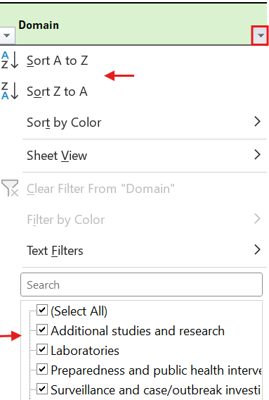 Review Baseline Actions Navigate to the ‘2. Baseline actions’ tab. • Please note that this tab is static and does not respond to user inputs. Explore Escalating Actions Navigate to the ‘3. Escalating actions’ tab. Filter/Sort actions • You can use the standard Excel filtering functionality to sort or filter the actions • At the top of each column (Domain, Sub-domain), click the small grey box next to the header. • Use the filter and sort options to narrow down the actions displayed.

Definitions Please refer to Annex 1 of the framework tool*. Requirements • Microsoft Excel 2016 or later • Familiarity with the framework tool* Support For questions, feedback, or technical support, please contact ecdc.influenza@ecdc.europa.eu *European Centre for Disease Prevention and Control. Scenarios for pre-pandemic zoonotic influenza preparedness and response in the EU/EEA. Stockholm: ECDC; 2025

